Fund-raising Checklist
INSTRUCTIONS:
Press the Tab key to go to the next cell that will accept information.
Hold Down the Shift Key and Press the Tab Key to back up.
Teachers:
Before You make that final decision on which fund-raiser you want to do, make sure it meets both your chapter's sales and overall program goals. Use this checklist to evaluate the pros and cons of potential fund-raising activities.

Students:
Students:
Before You make that final decision on which fund-raiser you want to do, make sure it meets both your chapter's sales and overall program goals. Use this checklist to evaluate the pros and cons of potential fund-raising activities.

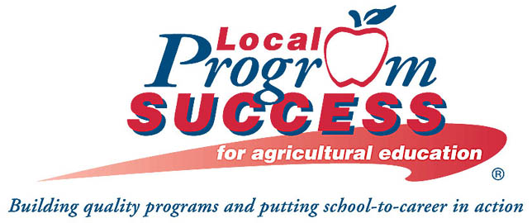
FFA Resource

Fund-raising Idea
Criteria Checklist

 | Does this fund-raiser promote the image we want to have?

 | Does this project meet the public relations goals of our chapter? If our goal is to promote the environment,
 | are we selling products that are themselves environmentally friendly? Is the package environmentally
 | friendly?

 | Do we want to promote an agricultural product in our fund raising?

 | Is this a product or service chapter members will be excited about selling? Members will want to sell
 | something that is fun, there's some competition and they can see rewards for their work.

 | Is there a need for this product in our community? Will people buy it?

 | Is the product or service of high quality? Will it fall apart or not work as we promised, thus the
 | community will not buy from us again next year?

 | Is this project original? Will other school organizations, grocery markets or area stores be selling the
 | product or service too? Not only will we have more competition selling an unoriginal product or service,
 | but the community may be more willing to buy something that's new and different.

 | Can we do this fund-raiser with the number of members we have in our FFA chapter? Can we meet our
 | sales goals with the number of students we have? Will we have enough people to unload, check for
 | quality and deliver the product or do we need to seek assistance?

 | Can the manufacturer or the supplier be trusted? Will he or she listen to our individual chapter needs?
 | Have other chapters had success with this supplier? Is the supplier trying to make this a win-win situation
 | for everyone?

 | What is the return policy for this product both back to us and to the manufacturer?

 | Can the chapter make money selling this product or service? Is it profitable?

 | Source: FFA Selling and Fund-raising Guide

 |  | 3-15

Unprotected - Checklist
INSTRUCTIONS:
Press the Tab key to go to the next cell that will accept information.
Hold Down the Shift Key and Press the Tab Key to back up.
Teachers:
Before You make that final decision on which fund-raiser you want to do, make sure it meets both your chapter's sales and overall program goals. Use this checklist to evaluate the pros and cons of potential fund-raising activities.

Students:
Students:
Before You make that final decision on which fund-raiser you want to do, make sure it meets both your chapter's sales and overall program goals. Use this checklist to evaluate the pros and cons of potential fund-raising activities.

FFA Resource

Fund-raising Idea
Criteria Checklist

 | Does this fund-raiser promote the image we want to have?

 | Does this project meet the public relations goals of our chapter? If our goal is to promote the environment,
 | are we selling products that are themselves environmentally friendly? Is the package environmentally
 | friendly?

 | Do we want to promote an agricultural product in our fund raising?

 | Is this a product or service chapter members will be excited about selling? Members will want to sell
 | something that is fun, there's some competition and they can see rewards for their work.

 | Is there a need for this product in our community? Will people buy it?

 | Is the product or service of high quality? Will it fall apart or not work as we promised, thus the
 | community will not buy from us again next year?

 | Is this project original? Will other school organizations, grocery markets or area stores be selling the
 | product or service too? Not only will we have more competition selling an unoriginal product or service,
 | but the community may be more willing to buy something that's new and different.

 | Can we do this fund-raiser with the number of members we have in our FFA chapter? Can we meet our
 | sales goals with the number of students we have? Will we have enough people to unload, check for
 | quality and deliver the product or do we need to seek assistance?

 | Can the manufacturer or the supplier be trusted? Will he or she listen to our individual chapter needs?
 | Have other chapters had success with this supplier? Is the supplier trying to make this a win-win situation
 | for everyone?

 | What is the return policy for this product both back to us and to the manufacturer?

 | Can the chapter make money selling this product or service? Is it profitable?

 | Source: FFA Selling and Fund-raising Guide

 |  | 3-15

