School-to-Career
INSTRUCTIONS:
Press the Tab key to go to the next cell that will accept information.
Hold Down the Shift Key and Press the Tab Key to back up.
Teachers:
The three components of agricultural education--classroom/laboratory instruction, SAE and FFA--mesh well with the three basics of school-to-career education--school based learning, workbased learning and connecting activities. Just as you must have all three components of agricultural education to have a successful program, you must have all three elements of school-to-career education to effectively reach students. the areas are not mutually exclusive; rather, they are interconnected. Use this worksheet in planning school-to-career activities and showing how agricultural education fulfills school-to-career concepts.

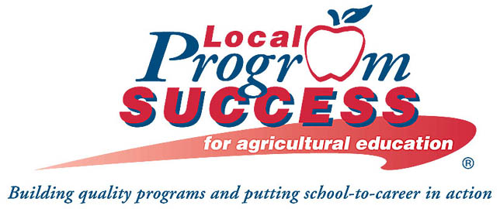
4-14
Partnerships Resource
School-to-Career and Agricultural Education/FFA

 |  | The agricultural education/FFA | Our school's agricultural
School-to-Career has three basic |  | program goals for | education/FFA program goals
parts to guide state planning: |  | School-to-Career | for School-to-Career
• Applied Learning
• Project-based instruction
• Selection of a career major
• Program of studies
• Integration of high academic and
vocational education
• Agricultural Courses/Laboratory
• Contextual instruction and skill
development
• Areas of study such as plant/animal
sciences, horticulture, forestry, business,
marketing, entrepreneurship, aquaculture
and biotechnology

School-based
Learning
Place your cursor inside the text box on the left & type!

• High-quality work and learning
experiences for students and teachers
• Instruction in workplace competencies
• Workplace mentoring
• Instruction in all elements of an industry
vocational education
• Supervised Agricultural Experience
(SAE) Programs
• Work Experience
• Entrepreneurship
• Exploration/mentoring
• Applied classroom skills
• Research experiments

Place your cursor inside the text box on the left & type!
Work-based
Learning

• Career Counseling
• Matching students with employers
(job placement)
• Establishing STC liaisons between
school and workplaces
• Technical assistance to school
employers, students and parents
• Information collection and analysis
• Upgrading skills/staff development

• Matching students with employers
• FFA (425,000 members nationally)
• Leadership development on local, state,
national levels
• Assessment through Career Development
Events (CDEs)
• Community/Education Partnerships
• Develop skills for life-long learning
• Teacher in-service/development

Place your cursor inside the text box on the left & type!

Connecting
Activities

 | Fact: 18-20% of U.S. jobs are in
 | careers related to agriculture

Unprotected - School-to-Career
INSTRUCTIONS:
Press the Tab key to go to the next cell that will accept information.
Hold Down the Shift Key and Press the Tab Key to back up.
Teachers:
The three components of agricultural education--classroom/laboratory instruction, SAE and FFA--mesh well with the three basics of school-to-career education--school based learning, workbased learning and connecting activities. Just as you must have all three components of agricultural education to have a successful program, you must have all three elements of school-to-career education to effectively reach students. the areas are not mutually exclusive; rather, they are interconnected. Use this worksheet in planning school-to-career activities and showing how agricultural education fulfills school-to-career concepts.

4-14
Partnerships Resource
School-to-Career and Agricultural Education/FFA

 |  | The agricultural education/FFA | Our school's agricultural
School-to-Career has three basic |  | program goals for | education/FFA program goals
parts to guide state planning: |  | School-to-Career | for School-to-Career
• Applied Learning
• Project-based instruction
• Selection of a career major
• Program of studies
• Integration of high academic and
vocational education
• Agricultural Courses/Laboratory
• Contextual instruction and skill
development
• Areas of study such as plant/animal
sciences, horticulture, forestry, business,
marketing, entrepreneurship, aquaculture
and biotechnology

School-based
Learning
Place your cursor inside the text box on the left & type!

• High-quality work and learning
experiences for students and teachers
• Instruction in workplace competencies
• Workplace mentoring
• Instruction in all elements of an industry
vocational education
• Supervised Agricultural Experience
(SAE) Programs
• Work Experience
• Entrepreneurship
• Exploration/mentoring
• Applied classroom skills
• Research experiments

Place your cursor inside the text box on the left & type!
Work-based
Learning

• Career Counseling
• Matching students with employers
(job placement)
• Establishing STC liaisons between
school and workplaces
• Technical assistance to school
employers, students and parents
• Information collection and analysis
• Upgrading skills/staff development

• Matching students with employers
• FFA (425,000 members nationally)
• Leadership development on local, state,
national levels
• Assessment through Career Development
Events (CDEs)
• Community/Education Partnerships
• Develop skills for life-long learning
• Teacher in-service/development

Place your cursor inside the text box on the left & type!

Connecting
Activities

 | Fact: 18-20% of U.S. jobs are in
 | careers related to agriculture

